Instructions
This workbook is designed to calculate the correct pricing for all pricing tiers as blank, decorated, and decorated with royaty

 | You will need to select the correct royalty code and pricing tier.

1.) | On the "BXC FINAL, RUSSELL FINAL, & SUNSET STYLES" tabs Click the blue cell and a drop down arrow will appear on the right side of the cell as shown below.

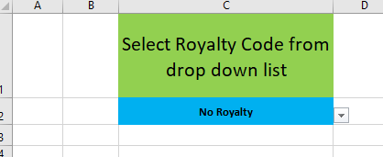

2.) | Once you click the drop down arrow a list of royalty codes will appear; search through these to find the correct one
3.) | Once you select the correct royalty you will notice that the correct royalty rate will appear next to the field "Royalty Rate"

Next you will need to select the correct pricing tier for your customer

4.) | Click the blue cell beside "2022 Price Tier" ,below the royalty code box, and a drop down arrow will appear.
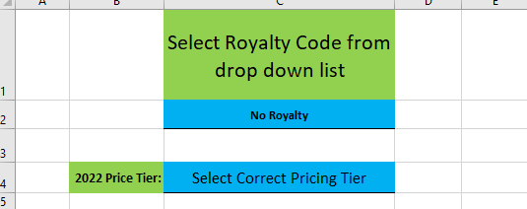

5.) | Click the drop down arrow and select the correct royalty
 | - | There is a "Customer Tiers" tab available for you to use if you are not sure what price tier your customer is under
 | - | If the customer does not have a royalty then scroll to the top of the list and you will find an option that says "No Royalty"

 |  |  | Next you will need to select the embellishment type (Print or Embroidery)
6.) | Click the blue cell underneath "Embellishment Type" and select either print or embroidery
 | - | If you are pricing blanks then do not select anything for this field

